Budget Builder
MONTHLY BUDGET BUILDER

Monthly Income $ How much money you have to allocate ? | Income | Expected | Actual
 | Savings/Checking
 | Work
 | Family
 | Other
 | Financial Aid *
 | Total Income | 0.00 | 0.00

Know your Monthly Financial Aid
Total Financial Aid | Months (4 or 9) | Monthly Financial Aid
 |  | 0

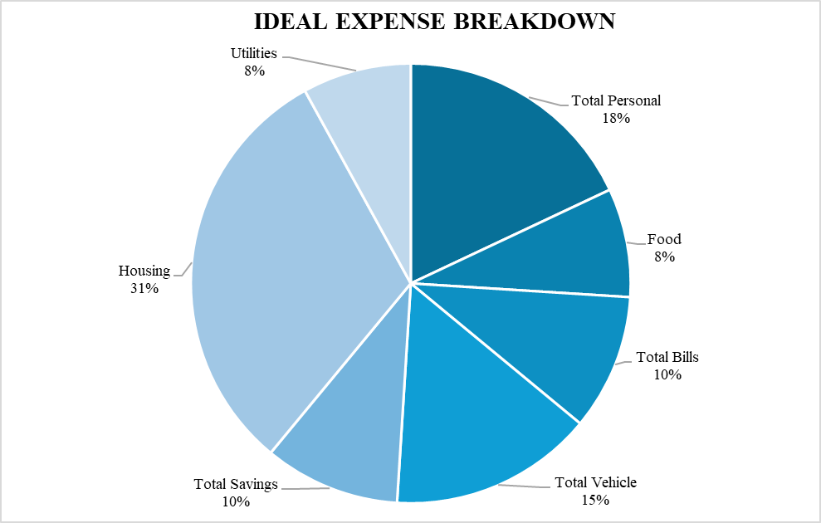
EXPENSES
 | Savings | Expected | Actual
 | Savings
 | Emergency/Cash
 | Retirement
 | Total Savings | 0 | 0

 | Home | Expected | Actual
 | Rent
 | Electric
 | Gas
 | Water
 | Total Home | 0 | 0

 | Bills | Expected | Actual
 | Internet
 | Cell Phone
 | Credit Cards
 | Subscriptions |  |  | Expense Breakdown | Your Expense | Ideal Expense | Ideal Percentage | Your Percentage | Budget
 | Loans |  |  | Utilities (Electric+Gas+Water) | 0 | 0 | 8 | Need Input | Need Input
 | Total Bills | 0 | 0 | Housing | 0 | 0 | 31 | Need Input | Need Input
 |  |  |  | Vehicle | 0 | 0 | 15 | Need Input | Need Input
 | Personal | Expected | Actual | Food/Groceries | 0 | 0 | 8 | Need Input | Need Input
 | Clothing |  |  | Bills | 0 | 0 | 10 | Need Input | Need Input
 | Fun |  |  | Personal | 0 | 0 | 18 | Need Input | Need Input
 | Food/Groceries |  |  | Savings | 0 | 0 | 10 | Need Input | Need Input
 | Personal Care
 | Miscellaneous
 | Total Personal | 0 | 0
 |  |  |  | Using the information in the table above, you can now build your own Pie Chart while comparing it to the Ideal Expense Breakdown Pie Chart we made above. Be sure to make changes to the ones that are not staying inside the budget. HAPPY BUDGETING!
 | Transportation | Expected | Actual
 | Car Payment
 | Gas
 | Insurance
 | Repairs, etc.
 | Total Transportation | 0 | 0

Monthly Expenses $ What you are spending your money on? | Monthly Expenses | Expected | Actual
 | Total Savings | 0 | 0
 | Total Home | 0 | 0
 | Total Bills | 0 | 0
 | Total Personal | 0 | 0
 | Total Transportation | 0 | 0
 | Total Expenses | 0 | 0

Bottom Line Adjust the numbers to make your bottom line equal to zero. | Bottom Line | Expected | Actual
 | Total Income | 0.00 | 0.00
 | Total Expenses | 0 | 0
 | Bottom Line | 0.00 | 0.00

